Cover
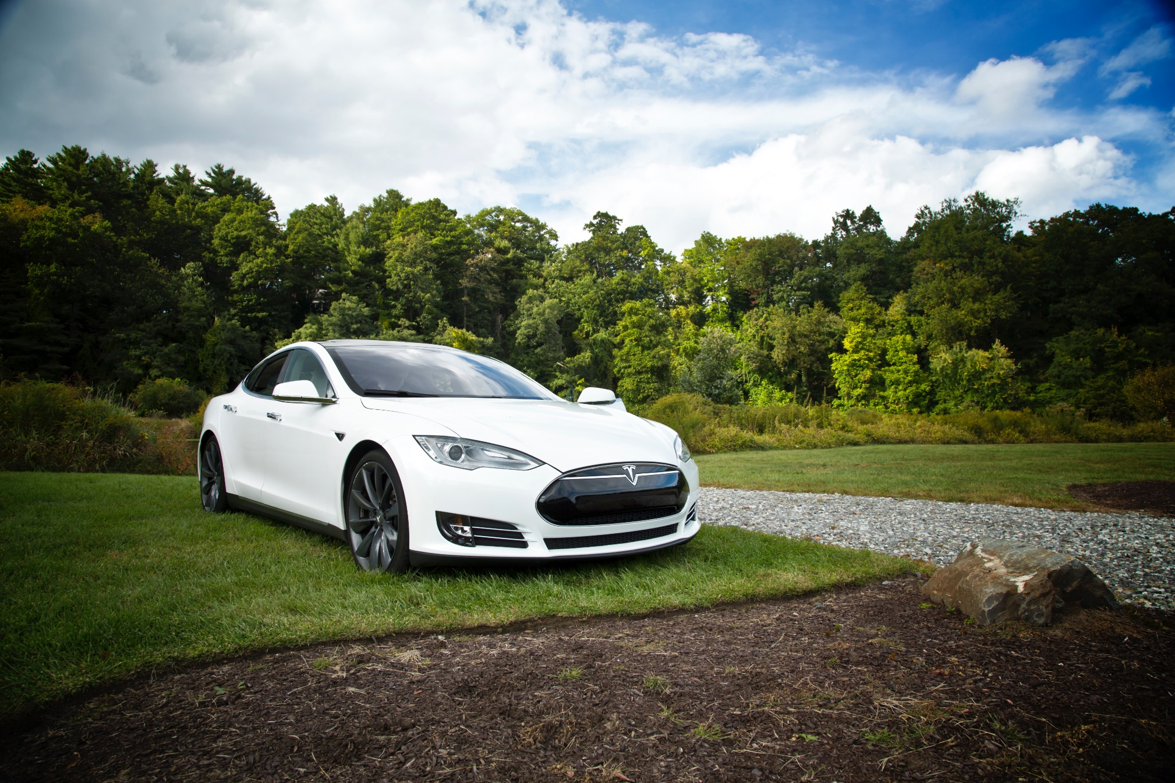

Tesla
Company analysis

Drivers
Drivers
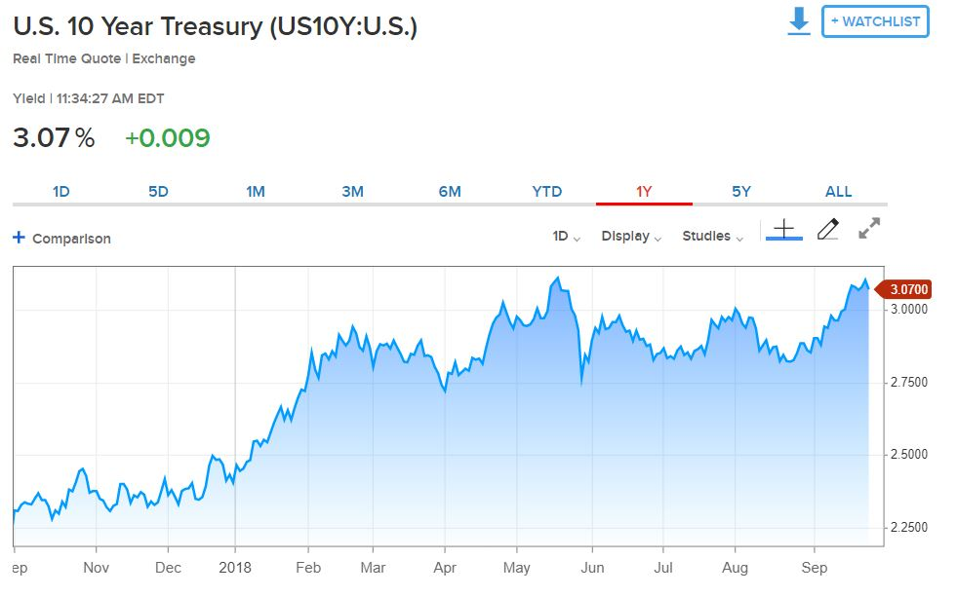
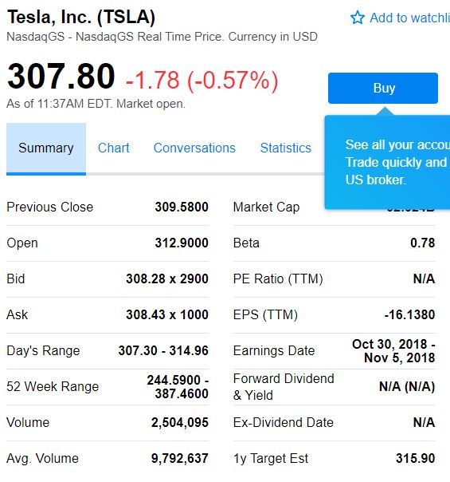
Selected case | 1
Company | Tesla
Currency | USD
Domestic country | United States
10-year treasury yield (Sep 27 2018) | 3.07%
Market risk premium US | 5%
Company beta (Sep 27 2018) | 0.78
Tesla share price (Sep 27 2018) | 307.8
Bond Yield (Sep 19 2018) | 7.50%
Corporate tax rate | 30%
Expected inflation | 2%

Deliveries development
Tesla vehicle deliveries 2014-2027 (actuals and forecasts)
 | Tesla Model 3 | Tesla Model S and X | Tesla Model Y | Tesla Roadster 2 | Tesla Pickup | Tesla Semi
2014 Act | - | 33,600 | - | - | - | -
2015 Act | - | 50,580 | - | - | - | -
2016 Act | - | 76,230 | - | - | - | -
2017 Act | 1,764 | 101,312 | - | - | - | -
2018 H1 Act | 26,620 | 44,100 | - | - | - | -
2018 H2 Fcst | 104,000 | 55,900 | - | - | - | -
2018 Fcst | 130,620 | 100,000 | - | - | - | -
2019 Fcst | 260,000 | 102,000 | 1,764 | - | 250 | 250
2020 Fcst | 416,000 | 104,040 | 130,620 | 500 | 18,512 | 18,512
2021 Fcst | 457,600 | 106,121 | 260,000 | 1,000 | 36,848 | 36,848
2022 Fcst | 503,360 | 108,243 | 416,000 | 1,500 | 58,957 | 58,957
2023 Fcst | 528,528 | 110,408 | 457,600 | 1,650 | 64,853 | 64,853
2024 Fcst | 554,954 | 112,616 | 503,360 | 1,815 | 71,338 | 71,338
2025 Fcst | 566,053 | 114,869 | 528,528 | 1,906 | 74,905 | 74,905
2026 Fcst | 577,375 | 117,166 | 554,954 | 2,001 | 78,650 | 78,650
2027 Fcst | 588,922 | 119,509 | 566,053 | 2,041 | 80,223 | 80,223
2028 Fcst | 600,700 | 121,899 | 577,375 | 2,082 | 81,827 | 81,827

Revenue & GP autom
Revenue and Gross Profit automotive

Vehicle | 2014 Act | 2015 Act | 2016 Act | 2017 Act | 2018 Fcst | 2019 Fcst | 2020 Fcst | 2021 Fcst | 2022 Fcst | 2023 Fcst | 2024 Fcst | 2025 Fcst | 2026 Fcst | 2027 Fcst | 2028 Fcst
Revenue automotive | 3,007 | 3,741 | 6,351 | 9,641 | 14,521 | 20,399 | 38,852 | 52,454 | 68,608 | 73,618 | 79,060 | 81,998 | 85,063 | 86,764 | 88,499
Gross Profit automotive | 861 | 918 | 1,601 | 2,209 | 2,850 | 3,463 | 6,770 | 9,408 | 12,544 | 13,489 | 14,518 | 15,082 | 15,671 | 15,985 | 16,304
GP% | 29% | 25% | 25% | 23% | 20% | 17% | 17% | 18% | 18% | 18% | 18% | 18% | 18% | 18% | 18%

Revenue and Gross Profit automotive
 | Revenue automotive | Gross Profit automotive | GP%
2014 Act | 3,007 | 861 | 29%
2015 Act | 3,741 | 918 | 25%
2016 Act | 6,351 | 1,601 | 25%
2017 Act | 9,641 | 2,209 | 23%
2018 Fcst | 14,521 | 2,850 | 20%
2019 Fcst | 20,399 | 3,463 | 17%
2020 Fcst | 38,852 | 6,770 | 17%
2021 Fcst | 52,454 | 9,408 | 18%
2022 Fcst | 68,608 | 12,544 | 18%
2023 Fcst | 73,618 | 13,489 | 18%
2024 Fcst | 79,060 | 14,518 | 18%
2025 Fcst | 81,998 | 15,082 | 18%
2026 Fcst | 85,063 | 15,671 | 18%
2027 Fcst | 86,764 | 15,985 | 18%
2028 Fcst | 88,499 | 16,304 | 18%

WC development
Working Capital development (2018-2028)
 | Trade receivables | Inventory | Trade payables
31Dec2018 Fcst | 958 | 5,008 | 4,302
31Dec2019 Fcst | 1,252 | 6,653 | 5,716
31Dec2020 Fcst | 2,257 | 11,937 | 10,255
31Dec2021 Fcst | 3,000 | 15,773 | 13,551
31Dec2022 Fcst | 3,877 | 20,296 | 17,437
31Dec2023 Fcst | 4,162 | 21,777 | 18,709
31Dec2024 Fcst | 4,471 | 23,384 | 20,090
31Dec2025 Fcst | 4,648 | 24,304 | 20,880
31Dec2026 Fcst | 4,834 | 25,268 | 21,708
31Dec2027 Fcst | 4,949 | 25,871 | 22,226
31Dec2028 Fcst | 5,067 | 26,494 | 22,761

